Sheet1
24-0-0 | 0 | 24 | 0 | 0
0-24-0 | 24 | 0 | 24 | 0 |  |  |  |  |  | Powered (No load) | Not Powered
0-0-24 | 0 | 0 | 24 | 24 |  |  |  |  | Enabled | 22 | 100
 |  |  |  |  |  |  |  |  | Disabled | 1 | 100

1 | S | P | 0 | 0
2 | P | 0 | P | S
3 | 0 | S | S | P

1 | SHDN8 | SHDN5
2 | SHDN7 |  | SHDN3 | SHDN2
3 |  | SHDN6 | SHDN4 | SHDN1

1 | 6:RG8 | 31:RF4 |  |  |  | 34:RF7
2 | 15:RB1 |  | 34:RF2 | 33:RF3 |  | 35:Vusb3v3
3 |  | 17:RB6 | 35:RF6 | 32:RF5

1 | D1-S | D2-P
2 | D1-P |  | D3-P | D4-S
3 |  | D2-S | D3-S | D4-P

 | UVP | 18,05V
 | OVP | 30
 | Imax | 1A | sustained
 |  | 750mA | inrush

163 | 200 | 170 | 177 | 14
242 | 300 | 248.5 | 255 | 13
324 | 400 | 330.5 | 337 | 13
402 | 500 | 409 | 416 | 14
487 | 600 | 493.5 | 500 | 13
565 | 700 | 571.5 | 578 | 13
645 | 801 | 651.5 | 658 | 13
726 | 901 | 732.5 | 739 | 13

 |  | 170 | 200 | 200.745 | 219.140625
 |  | 248.5 | 300 | 298.42255 | 320.33203125 | 2.5 | 1
 |  | 330.5 | 400 | 400.45515 | 426.03515625 | 3.3 | 1.32 | 1.2890625
 |  | 409 | 500 | 498.1327 | 527.2265625
 |  | 493.5 | 600 | 603.27605 | 636.15234375
 |  | 571.5 | 700 | 700.33145 | 736.69921875
 |  | 651.5 | 801 | 799.87545 | 839.82421875
 |  | 732.5 | 901 | 900.66375 | 944.23828125

 | Closed | Open | 100mA | 200 | 300
 | 70 | 140 |  | 225 | 312

Component Selection
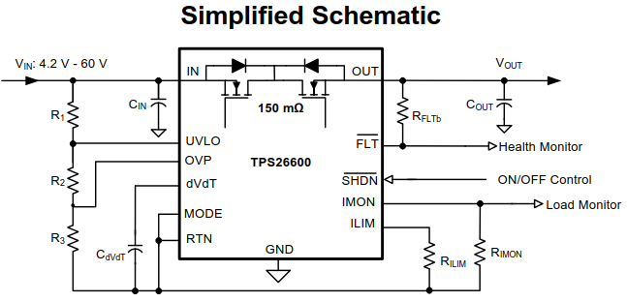

 |  |  |  |  | Calculate Resistor for Ilim

 |  |  |  |  | Ilim | 1 | A
 |  |  |  |  | R(Ilim) | 12 | kOhm

 |  |  |  |  | Calculate Resistor for Imon

 |  |  |  |  | ADC Range | 3 | V
 |  |  |  |  | Ilim | 2 | A
 |  |  |  |  | R(Imon) | 20.00 | kOhm
 |  |  |  |  |  | 17.4
 |  |  |  |  |  | 34.8 |  | 3.22265625
 |  |  |  |  |  |  |  | 10.798545455

Calculate Resistors for Undervoltage and Overvoltage
 |  |  |  |  | RFLTB (pull up) | 10k - 100k
R3 | 30.1 | kOhm | Nominal (with values below) |  | Cin | 0,1 - 1uF
V(ov) | 30 | V | 30.09 | V
V(uv) | 4.2 | V | 4.27 | V

 | Calculated |  | Picked 1%
R1+R2 | 728.7 | kOhm
R1 | 543.82 | kOhm | 549 | 1803008
R2 | 184.90 | kOhm | 182 | 2072718

